Coding Log
Need to impliment Q Table so can stop when Values converge |  |  |  |  |  |  | Will create slower learning surely

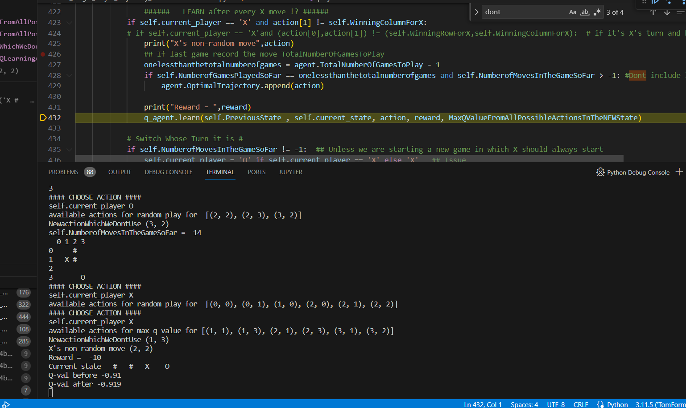
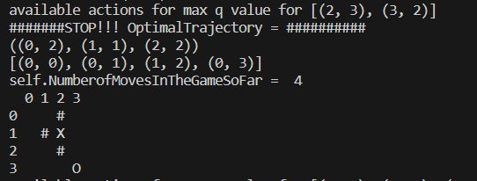
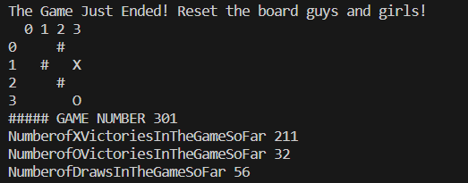
Working vs Random
 |  |  |  |  |  | Optimal Traj putting in o's moves again?
 |  |  | 0.0085893269883
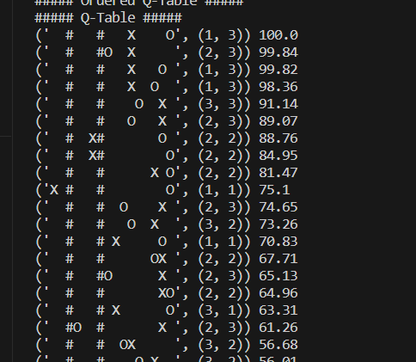

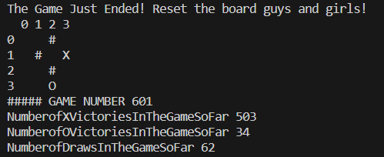
 |  | 1056

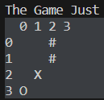

 | Ask Yifan to do it

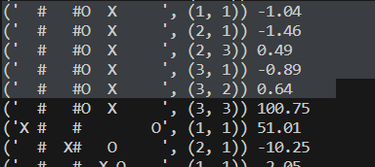

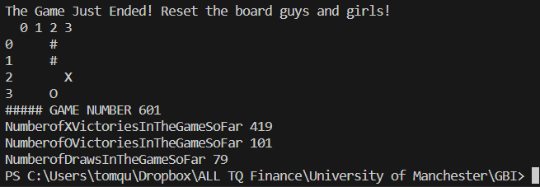

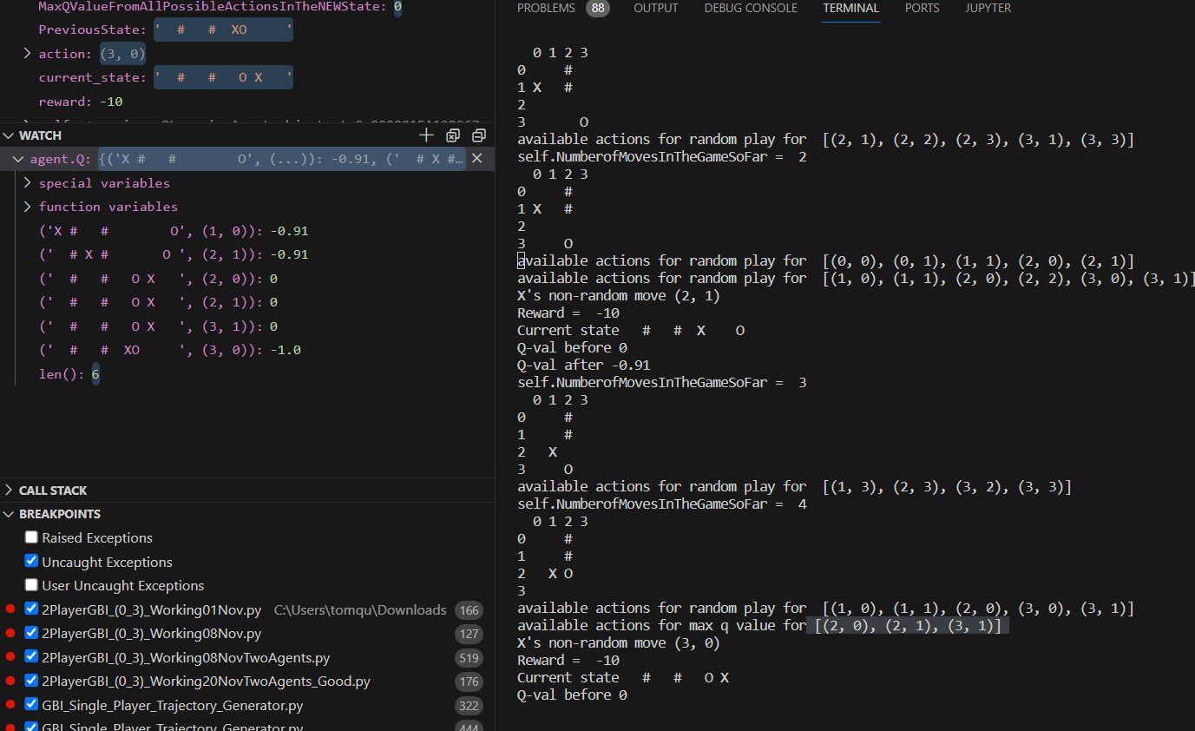

 |  |  |  | print("self.current_player",self.current_player)

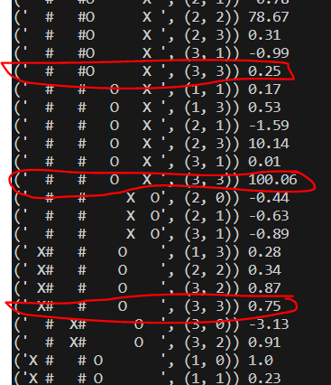

 |  |  |  |  |  |  |  | single

 |  |  |  |  |  |  |  | 0.99 alpha worked
 |  |  |  |  |  |  |  | 0.1 alpha worked

 |  |  |  |  |  |  |  | with -10 reward
 |  |  |  |  |  |  |  | and -1

 |  |  |  |  | 6000

 |  |  |  |  | (' # # X O ', (2, 3)) 100.86 | NumberofXVictoriesInTheGameSoFar 1655
 |  |  |  |  | (' # # O X ', (2, 3)) 100.76 | NumberofOVictoriesInTheGameSoFar 1838
 |  |  |  |  | (' # # X O ', (1, 3)) 100.74 | NumberofDrawsInTheGameSoFar 2506
 |  |  |  |  | (' # #O X ', (2, 3)) 100.72
 |  |  |  |  | (' #O # X ', (1, 3)) 100.69
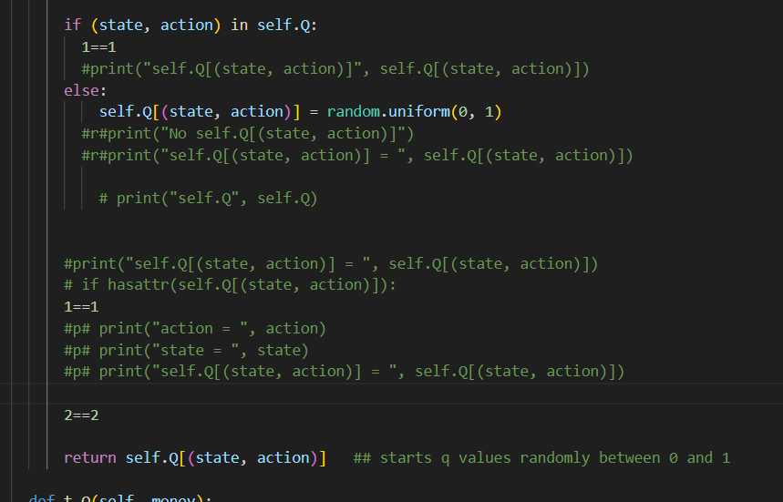
 |  |  |  |  | (' # # X O ', (1, 3)) 100.66
 |  |  |  |  | (' # # O X ', (3, 3)) 100.65
 |  |  |  |  | (' # # X O', (2, 3)) 100.63
 |  |  |  |  | (' # #O X ', (3, 3)) 100.62
 |  |  |  |  | (' # # X O ', (3, 3)) 100.57
 |  |  |  |  | (' # # O X ', (3, 3)) 100.57
 |  |  |  |  | (' # # X O', (1, 3)) 100.41
 |  |  |  |  | (' # # O X ', (3, 3)) 99.41
 |  |  |  |  | (' # #O X ', (2, 3)) 99.34
 |  |  |  |  | (' # #O X ', (3, 3)) 98.77
 |  |  |  |  | (' # # X O ', (2, 3)) 97.97
 |  |  |  |  | (' # # X O ', (3, 3)) 97.55
 |  |  |  |  | (' #O # X ', (2, 3)) 95.44
 |  |  |  |  | (' #O # X ', (2, 3)) 94.27
 |  |  |  |  | (' # # O X ', (2, 3)) 94.27
 |  |  |  |  | (' # O# X ', (3, 3)) 94.2
 |  |  |  |  | (' #O # X ', (3, 3)) 93.36
 |  |  |  |  | (' # O# X ', (1, 3)) 87.18
 |  |  |  |  | (' # O# X ', (2, 3)) 77.73
 |  |  |  |  | (' #O # X ', (3, 3)) 68.97
 |  |  |  |  | (' # O# X ', (3, 3)) 65.48
 |  |  |  |  | (' # O# X ', (2, 3)) 47.28
 |  |  |  |  | (' # #O X ', (2, 2)) 34.91
 |  |  |  |  | (' # X# O', (2, 2)) 30.75
 |  |  |  |  | (' # # X O', (2, 2)) 26.15
 |  |  |  |  | (' # # X O ', (2, 2)) 24.48
 |  |  |  |  | (' # # O X ', (3, 2)) 24.05
 |  |  |  |  | (' # # XO', (2, 2)) 23.99
 |  |  |  |  | (' # X#O ', (2, 2)) 23.02
 |  |  |  |  | (' #O # X ', (2, 2)) 22.42
 |  |  |  |  | (' # #O X ', (2, 2)) 21.21
 |  |  |  |  | (' # # OX ', (3, 2)) 20.24
 |  |  |  |  | (' # # XO ', (3, 2)) 19.61
 |  |  |  |  | (' O# # X ', (1, 3)) 19.17
 |  |  |  |  | (' # # OX ', (2, 2)) 18.79
 |  |  |  |  | (' # X# O ', (2, 2)) 18.17
 |  |  |  |  | (' # #O X ', (3, 2)) 15.36
 |  |  |  |  | (' # #O X ', (3, 2)) 14.83
 |  |  |  |  | (' # X# O ', (2, 2)) 13.93
 |  |  |  |  | (' # # O X ', (3, 2)) 13.61
 |  |  |  |  | (' #O # X ', (2, 2)) 12.16
 |  |  |  |  | (' # #O X ', (2, 2)) 11.92
 |  |  |  |  | (' # #O X ', (3, 2)) 11.72
 |  |  |  |  | (' O# # X ', (2, 3)) 10.09
 |  |  |  |  | (' O# # X ', (3, 3)) 10.09
 |  |  |  |  | (' # O# X ', (2, 2)) 9.99
 |  |  |  |  | (' # O# X ', (2, 2)) 9.81
 |  |  |  |  | (' # #O X ', (2, 1)) 8.27
 |  |  |  |  | (' # #O X ', (2, 1)) 7.99
 |  |  |  |  | ('X # # O', (1, 1)) 7.57
 |  |  |  |  | (' # #O X ', (3, 1)) 7.51
 |  |  |  |  | (' #O # X ', (3, 2)) 7.1
 |  |  |  |  | (' #O # X ', (2, 2)) 6.86
 |  |  |  |  | (' # X# O ', (2, 2)) 6.81
 |  |  |  |  | (' # # O X ', (3, 1)) 6.1
 |  |  |  |  | (' #O X# ', (2, 2)) 5.85
 |  |  |  |  | (' # # O X ', (3, 2)) 5.62
 |  |  |  |  | (' # # X O ', (2, 2)) 5.58
 |  |  |  |  | (' # # X O', (2, 1)) 5.33
 |  |  |  |  | (' # # X O ', (3, 2)) 5.19
 |  |  |  |  | ('X # # O ', (1, 1)) 4.95
 |  |  |  |  | (' # # X O', (3, 2)) 4.81
 |  |  |  |  | (' # X#O ', (2, 1)) 4.57
 |  |  |  |  | (' # # XO ', (3, 1)) 4.5
 |  |  |  |  | (' # # X O', (2, 2)) 4.34
 |  |  |  |  | (' #O # X ', (2, 1)) 4.22
 |  |  |  |  | (' X# # O', (1, 1)) 4.15
 |  |  |  |  | (' # # OX ', (3, 1)) 4.1
 |  |  |  |  | (' # # X O', (3, 2)) 4.09
 |  |  |  |  | (' # X# O ', (2, 1)) 4.02
 |  |  |  |  | (' X# # O ', (1, 1)) 3.95
 |  |  |  |  | (' # # O X ', (2, 2)) 3.93
 |  |  |  |  | (' # # O X ', (2, 2)) 3.87
 |  |  |  |  | (' # O# X ', (3, 2)) 3.72
 |  |  |  |  | (' # # X O ', (3, 1)) 3.58
 |  |  |  |  | (' # X # O ', (1, 1)) 3.52
 |  |  |  |  | (' # # O X ', (2, 2)) 3.52
 |  |  |  |  | (' # O# X ', (2, 2)) 3.34
 |  |  |  |  | (' # #OX ', (3, 1)) 3.27
 |  |  |  |  | (' # # X O ', (1, 1)) 3.25
 |  |  |  |  | (' # #O X ', (2, 1)) 3.2
 |  |  |  |  | (' # # O X ', (2, 1)) 3.17
 |  |  |  |  | (' # # XO', (3, 1)) 3.08
 |  |  |  |  | (' #O X# ', (2, 1)) 2.99
 |  |  |  |  | (' # # X O', (3, 1)) 2.99
 |  |  |  |  | (' # # X O ', (3, 2)) 2.96
 |  |  |  |  | (' # # XO ', (3, 1)) 2.91
 |  |  |  |  | (' # X #O ', (2, 1)) 2.77
 |  |  |  |  | (' # #OX ', (2, 1)) 2.66
 |  |  |  |  | (' # # X O', (1, 1)) 2.65
 |  |  |  |  | (' # # X O ', (1, 1)) 2.65
 |  |  |  |  | (' # # X O ', (3, 1)) 2.62
 |  |  |  |  | (' #O # X ', (2, 1)) 2.61
 |  |  |  |  | (' # # X O', (3, 1)) 2.55
 |  |  |  |  | (' # # X O ', (2, 1)) 2.5
 |  |  |  |  | (' # # X O ', (1, 1)) 2.49
 |  |  |  |  | (' # # X O', (1, 1)) 2.35
 |  |  |  |  | (' # X #O ', (1, 1)) 2.29
 |  |  |  |  | (' # X # O ', (1, 1)) 2.24
 |  |  |  |  | (' # # X O', (3, 2)) 2.21
 |  |  |  |  | (' X# #O ', (1, 1)) 2.2
 |  |  |  |  | (' # # X O', (2, 1)) 2.17
 |  |  |  |  | (' #O # X ', (2, 1)) 2.09
 |  |  |  |  | (' # #O X ', (1, 1)) 2.06
 |  |  |  |  | (' # #OX ', (1, 1)) 2.05
 |  |  |  |  | (' # #O X ', (3, 1)) 2.04
 |  |  |  |  | (' # # X O', (1, 1)) 2.03
 |  |  |  |  | (' # #O X ', (3, 1)) 2.02
 |  |  |  |  | (' # #O X ', (2, 1)) 1.98
 |  |  |  |  | (' # X # O ', (2, 1)) 1.96
 |  |  |  |  | (' # # O X ', (3, 1)) 1.86
 |  |  |  |  | (' # # OX ', (2, 1)) 1.82
 |  |  |  |  | (' # #O X ', (1, 1)) 1.66
 |  |  |  |  | (' # # XO', (2, 1)) 1.59
 |  |  |  |  | (' #O # X ', (3, 1)) 1.59
 |  |  |  |  | (' # # X O ', (1, 1)) 1.5
 |  |  |  |  | (' #O # X ', (1, 1)) 1.5
 |  |  |  |  | (' # # XO ', (2, 1)) 1.47
 |  |  |  |  | (' # X# O', (2, 1)) 1.45
 |  |  |  |  | (' # # XO ', (1, 1)) 1.45
 |  |  |  |  | (' #OX # ', (2, 1)) 1.4
 |  |  |  |  | (' # # O X ', (2, 2)) 1.4
 |  |  |  |  | (' #O # X ', (2, 1)) 1.39
 |  |  |  |  | (' X# # O ', (1, 1)) 1.35
 |  |  |  |  | (' # O# X ', (3, 1)) 1.33
 |  |  |  |  | (' # X # O', (2, 1)) 1.32
 |  |  |  |  | (' # # X O ', (1, 1)) 1.31
 |  |  |  |  | (' #O # X ', (2, 1)) 1.3
 |  |  |  |  | (' # # X O ', (3, 1)) 1.28
 |  |  |  |  | ('X #O # ', (1, 1)) 1.28
 |  |  |  |  | (' # # X O ', (2, 1)) 1.25
 |  |  |  |  | (' # # X O ', (2, 2)) 1.24
 |  |  |  |  | ('X # # O ', (1, 1)) 1.21
 |  |  |  |  | (' # X# O ', (2, 1)) 1.15
 |  |  |  |  | (' X# # O ', (1, 1)) 1.14
 |  |  |  |  | (' #O # X ', (3, 1)) 1.14
 |  |  |  |  | ('X # #O ', (1, 1)) 1.12
 |  |  |  |  | (' # # X O ', (1, 1)) 1.11
 |  |  |  |  | (' # # X O ', (3, 2)) 1.09
 |  |  |  |  | (' #O # X ', (3, 2)) 1.06
 |  |  |  |  | (' # #O X ', (3, 0)) 1.05
 |  |  |  |  | (' # #OX ', (3, 0)) 1.05
 |  |  |  |  | (' # X # O ', (1, 1)) 1.04
 |  |  |  |  | (' # # X O', (3, 1)) 1.03
 |  |  |  |  | ('X # # O ', (1, 1)) 1.02
 |  |  |  |  | (' # X# O ', (2, 1)) 1.01
 |  |  |  |  | (' #O # X ', (1, 1)) 0.99
 |  |  |  |  | (' # # O X ', (3, 1)) 0.97
 |  |  |  |  | (' # # X O ', (2, 1)) 0.95
 |  |  |  |  | (' # # X O', (3, 0)) 0.95
 |  |  |  |  | (' # X# O ', (2, 1)) 0.89
 |  |  |  |  | (' # # X O', (2, 1)) 0.88
 |  |  |  |  | (' X#O # ', (1, 1)) 0.87
 |  |  |  |  | (' # O# X ', (3, 1)) 0.85
 |  |  |  |  | (' # # X O ', (2, 1)) 0.84
 |  |  |  |  | (' # X# O', (0, 1)) 0.83
 |  |  |  |  | (' # # X O ', (2, 1)) 0.82
 |  |  |  |  | (' # # XO ', (2, 0)) 0.76
 |  |  |  |  | (' # # O X ', (3, 0)) 0.73
 |  |  |  |  | (' #O # X ', (1, 1)) 0.7
 |  |  |  |  | (' # #O X ', (3, 1)) 0.69
 |  |  |  |  | (' # # O X ', (2, 1)) 0.68
 |  |  |  |  | (' # X # O', (0, 0)) 0.66
 |  |  |  |  | (' # X# O ', (0, 0)) 0.66
 |  |  |  |  | (' # X # O ', (2, 1)) 0.66
 |  |  |  |  | (' # #O X ', (2, 0)) 0.65
 |  |  |  |  | (' # #O X ', (2, 0)) 0.65
 |  |  |  |  | (' # # O X ', (3, 1)) 0.65
 |  |  |  |  | (' X# # O', (0, 0)) 0.64
 |  |  |  |  | (' # X # O', (2, 0)) 0.64
 |  |  |  |  | (' # # X O ', (2, 0)) 0.63
 |  |  |  |  | (' # # X O', (3, 1)) 0.62
 |  |  |  |  | (' # # O X ', (3, 1)) 0.61
 |  |  |  |  | (' # X# O ', (2, 0)) 0.6
 |  |  |  |  | (' # # X O', (2, 1)) 0.6
 |  |  |  |  | (' X# #O ', (1, 0)) 0.59
 |  |  |  |  | (' # # X O', (3, 0)) 0.57
 |  |  |  |  | (' # X#O ', (1, 0)) 0.56
 |  |  |  |  | (' # # X O ', (3, 0)) 0.56
 |  |  |  |  | (' # # O X ', (2, 1)) 0.53
 |  |  |  |  | (' # # XO ', (2, 0)) 0.52
 |  |  |  |  | (' # X # O ', (2, 1)) 0.51
 |  |  |  |  | ('X # # O ', (0, 1)) 0.51
 |  |  |  |  | ('X # # O', (0, 1)) 0.45
 |  |  |  |  | (' # # O X ', (2, 0)) 0.45
 |  |  |  |  | (' # X # O ', (2, 0)) 0.44
 |  |  |  |  | (' # #O X ', (1, 0)) 0.44
 |  |  |  |  | (' # # X O', (3, 0)) 0.44
 |  |  |  |  | (' # X # O ', (2, 1)) 0.42
 |  |  |  |  | (' # X#O ', (2, 0)) 0.4
 |  |  |  |  | ('X # #O ', (1, 0)) 0.39
 |  |  |  |  | (' # X# O ', (2, 2)) 0.38
 |  |  |  |  | (' # X # O ', (2, 0)) 0.37
 |  |  |  |  | (' # # X O ', (1, 0)) 0.36
 |  |  |  |  | ('X # # O ', (0, 1)) 0.35
 |  |  |  |  | (' # #OX ', (1, 0)) 0.34
 |  |  |  |  | (' #OX # ', (1, 1)) 0.34
 |  |  |  |  | (' # O# X ', (2, 1)) 0.34
 |  |  |  |  | (' # X #O ', (0, 1)) 0.33
 |  |  |  |  | (' # X# O ', (2, 0)) 0.31
 |  |  |  |  | (' # # X O ', (2, 1)) 0.31
 |  |  |  |  | (' #O # X ', (3, 1)) 0.31
 |  |  |  |  | (' # O# X ', (2, 1)) 0.31
 |  |  |  |  | (' # X# O', (0, 0)) 0.3
 |  |  |  |  | (' # # XO ', (2, 1)) 0.29
 |  |  |  |  | (' # X #O ', (2, 0)) 0.28
 |  |  |  |  | (' # X # O ', (0, 0)) 0.28
 |  |  |  |  | (' # X# O ', (0, 1)) 0.27
 |  |  |  |  | ('X # #O ', (0, 1)) 0.26
 |  |  |  |  | (' # X # O ', (2, 0)) 0.26
 |  |  |  |  | (' # # O X ', (2, 1)) 0.25
 |  |  |  |  | (' # X#O ', (0, 0)) 0.25
 |  |  |  |  | ('X # # O ', (1, 0)) 0.25
 |  |  |  |  | (' # # X O', (2, 0)) 0.25
 |  |  |  |  | (' # X#O ', (0, 1)) 0.24
 |  |  |  |  | (' X# # O ', (1, 0)) 0.24
 |  |  |  |  | (' # # XO ', (2, 0)) 0.24
 |  |  |  |  | ('X # # O ', (1, 0)) 0.23
 |  |  |  |  | (' # # OX ', (2, 0)) 0.22
 |  |  |  |  | (' # # X O', (2, 0)) 0.22
 |  |  |  |  | (' #O # X ', (3, 0)) 0.21
 |  |  |  |  | (' # # X O ', (1, 0)) 0.19
 |  |  |  |  | (' # X # O', (0, 1)) 0.17
 |  |  |  |  | (' # #O X ', (2, 0)) 0.17
 |  |  |  |  | (' # # X O ', (2, 1)) 0.17
 |  |  |  |  | (' # # O X ', (2, 0)) 0.16
 |  |  |  |  | (' # X# O ', (2, 0)) 0.16
 |  |  |  |  | (' # # X O ', (1, 0)) 0.16
 |  |  |  |  | (' # # O X ', (3, 0)) 0.16
 |  |  |  |  | (' # # X O ', (2, 0)) 0.14
 |  |  |  |  | (' #O X# ', (2, 0)) 0.13
 |  |  |  |  | (' # X# O ', (1, 0)) 0.13
 |  |  |  |  | (' #O # X ', (3, 0)) 0.12
 |  |  |  |  | (' X# #O ', (0, 0)) 0.11
 |  |  |  |  | (' X# # O ', (1, 1)) 0.11
 |  |  |  |  | (' # # X O ', (2, 0)) 0.11
 |  |  |  |  | (' # # X O', (2, 0)) 0.11
 |  |  |  |  | (' #OX # ', (2, 0)) 0.1
 |  |  |  |  | (' # # X O', (1, 0)) 0.1
 |  |  |  |  | (' # X # O ', (0, 1)) 0.08
 |  |  |  |  | ('X # # O ', (1, 0)) 0.08
 |  |  |  |  | (' # # X O ', (2, 0)) 0.08
 |  |  |  |  | (' # # X O ', (1, 0)) 0.08
 |  |  |  |  | (' #O # X ', (3, 0)) 0.08
 |  |  |  |  | (' # X# O ', (2, 0)) 0.06
 |  |  |  |  | (' # # X O ', (1, 0)) 0.06
 |  |  |  |  | (' # # OX ', (1, 1)) 0.06
 |  |  |  |  | (' # # X O ', (3, 0)) 0.05
 |  |  |  |  | (' # X# O', (2, 0)) 0.05
 |  |  |  |  | (' # O# X ', (3, 1)) 0.05
 |  |  |  |  | (' #O # X ', (2, 0)) 0.05
 |  |  |  |  | (' # O# X ', (2, 1)) 0.04
 |  |  |  |  | (' # X #O ', (0, 0)) 0.03
 |  |  |  |  | (' # X# O ', (1, 0)) 0.03
 |  |  |  |  | (' # X # O ', (0, 0)) 0.03
 |  |  |  |  | (' #O # X ', (2, 0)) 0.03
 |  |  |  |  | (' # O# X ', (2, 1)) 0.03
 |  |  |  |  | (' # # X O ', (3, 0)) 0.02
 |  |  |  |  | (' # X# O ', (1, 0)) 0.01
 |  |  |  |  | (' # # X O ', (3, 0)) 0.01
 |  |  |  |  | (' # #O X ', (3, 0)) 0.01
 |  |  |  |  | (' X#O # ', (1, 3)) 0
 |  |  |  |  | (' # X#O ', (0, 3)) 0
 |  |  |  |  | (' # X#O ', (2, 3)) 0
 |  |  |  |  | (' X# # O', (1, 0)) -0.0
 |  |  |  |  | (' # # X O ', (2, 2)) 0
 |  |  |  |  | (' # # X O ', (2, 3)) 0
 |  |  |  |  | (' # # X O ', (3, 3)) 0
 |  |  |  |  | (' # # X O ', (2, 2)) 0
 |  |  |  |  | (' # # X O ', (3, 2)) 0
 |  |  |  |  | ('X # # O ', (1, 3)) 0
 |  |  |  |  | ('X # # O ', (2, 1)) 0
 |  |  |  |  | ('X # # O ', (2, 3)) 0
 |  |  |  |  | ('X # # O ', (3, 1)) 0
 |  |  |  |  | ('X # # O ', (3, 2)) 0
 |  |  |  |  | ('X # # O ', (3, 3)) 0
 |  |  |  |  | ('X # # O ', (2, 1)) 0
 |  |  |  |  | ('X # # O ', (2, 2)) 0
 |  |  |  |  | ('X # # O ', (2, 3)) 0
 |  |  |  |  | ('X # # O ', (3, 1)) 0
 |  |  |  |  | ('X # # O ', (3, 3)) 0
 |  |  |  |  | (' # X# O', (2, 3)) 0
 |  |  |  |  | (' # X# O', (3, 2)) 0
 |  |  |  |  | (' # XO# ', (0, 1)) 0
 |  |  |  |  | (' # XO# ', (2, 1)) 0
 |  |  |  |  | (' # XO# ', (2, 2)) 0
 |  |  |  |  | (' # # XO ', (1, 1)) 0
 |  |  |  |  | (' # # XO ', (2, 2)) 0
 |  |  |  |  | (' # # XO ', (3, 1)) 0
 |  |  |  |  | (' # # XO ', (3, 2)) 0
 |  |  |  |  | ('X # O# ', (2, 1)) 0
 |  |  |  |  | ('X # O# ', (2, 2)) 0
 |  |  |  |  | ('X # # O ', (2, 2)) 0
 |  |  |  |  | ('X # # O ', (3, 1)) 0
 |  |  |  |  | ('X # # O ', (3, 2)) 0
 |  |  |  |  | (' # # X O ', (1, 3)) 0
 |  |  |  |  | (' # # X O ', (2, 3)) 0
 |  |  |  |  | (' # # X O ', (3, 2)) 0
 |  |  |  |  | (' # # X O ', (3, 3)) 0
 |  |  |  |  | (' # # X O ', (1, 3)) 0
 |  |  |  |  | (' # # X O ', (3, 3)) 0
 |  |  |  |  | (' # X# O ', (1, 3)) 0
 |  |  |  |  | (' # X# O ', (3, 2)) 0
 |  |  |  |  | (' # X# O ', (3, 3)) 0
 |  |  |  |  | (' # # X O ', (2, 3)) 0
 |  |  |  |  | (' # # X O ', (3, 3)) 0
 |  |  |  |  | (' # X# O ', (2, 3)) 0
 |  |  |  |  | (' # X# O ', (3, 1)) 0
 |  |  |  |  | (' # X# O ', (3, 3)) 0
 |  |  |  |  | (' # X # O ', (1, 3)) 0
 |  |  |  |  | (' # X # O ', (2, 3)) 0
 |  |  |  |  | (' # X # O ', (3, 1)) 0
 |  |  |  |  | (' # X # O ', (3, 2)) 0
 |  |  |  |  | (' # X # O ', (3, 3)) 0
 |  |  |  |  | (' # X # O ', (1, 3)) 0
 |  |  |  |  | (' # X # O ', (2, 2)) 0
 |  |  |  |  | (' # X # O ', (3, 2)) 0
 |  |  |  |  | (' # X # O ', (3, 3)) 0
 |  |  |  |  | (' # # O X ', (1, 1)) 0
 |  |  |  |  | (' # # O X ', (1, 3)) 0
 |  |  |  |  | (' # # O X ', (2, 3)) 0
 |  |  |  |  | (' # # O X ', (3, 2)) 0
 |  |  |  |  | (' # # O X ', (3, 3)) 0
 |  |  |  |  | (' # O# X ', (0, 1)) 0
 |  |  |  |  | (' # # OX ', (2, 0)) 0
 |  |  |  |  | (' X# # O ', (2, 2)) 0
 |  |  |  |  | (' X# # O ', (3, 1)) 0
 |  |  |  |  | (' X# # O ', (3, 2)) 0
 |  |  |  |  | (' # # OX ', (3, 1)) 0
 |  |  |  |  | ('X # # O', (2, 2)) 0
 |  |  |  |  | ('X # # O', (2, 3)) 0
 |  |  |  |  | ('X # # O', (3, 2)) 0
 |  |  |  |  | (' # X # O', (2, 2)) 0
 |  |  |  |  | (' # X # O', (2, 3)) 0
 |  |  |  |  | (' # X # O', (3, 2)) 0
 |  |  |  |  | (' # X# O ', (1, 3)) 0
 |  |  |  |  | (' # X# O ', (2, 3)) 0
 |  |  |  |  | (' # X# O ', (3, 1)) 0
 |  |  |  |  | (' # X# O ', (3, 2)) 0
 |  |  |  |  | (' # X# O ', (3, 3)) 0
 |  |  |  |  | (' # # X O', (2, 2)) 0
 |  |  |  |  | (' # # X O', (2, 3)) 0
 |  |  |  |  | (' # # X O', (3, 2)) 0
 |  |  |  |  | (' # X# O ', (3, 1)) 0
 |  |  |  |  | (' # X# O ', (3, 2)) 0
 |  |  |  |  | (' # # X O', (2, 2)) 0
 |  |  |  |  | (' # # X O', (2, 3)) 0
 |  |  |  |  | (' # # X O', (3, 2)) 0
 |  |  |  |  | (' # # OX ', (1, 3)) 0
 |  |  |  |  | (' # # OX ', (3, 3)) 0
 |  |  |  |  | (' # X # O ', (2, 2)) 0
 |  |  |  |  | (' # X # O ', (3, 1)) 0
 |  |  |  |  | (' # X # O ', (3, 2)) 0
 |  |  |  |  | (' X# # O', (2, 2)) 0
 |  |  |  |  | (' X# # O', (2, 3)) 0
 |  |  |  |  | (' X# # O', (3, 2)) 0
 |  |  |  |  | (' X# # O ', (1, 3)) 0
 |  |  |  |  | (' X# # O ', (2, 1)) 0
 |  |  |  |  | (' X# # O ', (2, 3)) 0
 |  |  |  |  | (' X# # O ', (3, 1)) 0
 |  |  |  |  | (' X# # O ', (3, 2)) 0
 |  |  |  |  | (' X# # O ', (3, 3)) 0
 |  |  |  |  | (' X# # O ', (2, 1)) 0
 |  |  |  |  | (' X# # O ', (2, 2)) 0
 |  |  |  |  | (' X# # O ', (3, 2)) 0
 |  |  |  |  | (' # X# O ', (1, 0)) 0
 |  |  |  |  | (' # X# O ', (2, 1)) 0
 |  |  |  |  | (' # X# O ', (3, 0)) 0
 |  |  |  |  | (' # X# O ', (3, 1)) 0
 |  |  |  |  | (' # # XO ', (1, 3)) 0
 |  |  |  |  | (' # # XO ', (2, 3)) 0
 |  |  |  |  | (' # # XO ', (3, 2)) 0
 |  |  |  |  | (' # # XO ', (3, 3)) 0
 |  |  |  |  | (' # X# O ', (3, 2)) 0
 |  |  |  |  | (' # X # O ', (2, 2)) 0
 |  |  |  |  | (' # X # O ', (2, 3)) 0
 |  |  |  |  | (' # X # O ', (3, 1)) 0
 |  |  |  |  | (' # X # O ', (3, 3)) 0
 |  |  |  |  | ('X # # O ', (2, 1)) 0
 |  |  |  |  | ('X # # O ', (2, 2)) 0
 |  |  |  |  | ('X # # O ', (3, 2)) 0
 |  |  |  |  | (' # # X O ', (1, 3)) 0
 |  |  |  |  | (' # # X O ', (2, 2)) 0
 |  |  |  |  | (' # # X O ', (3, 2)) 0
 |  |  |  |  | (' # # X O ', (3, 3)) 0
 |  |  |  |  | (' X# #O ', (0, 3)) 0
 |  |  |  |  | (' X# #O ', (2, 2)) 0
 |  |  |  |  | (' X# #O ', (2, 3)) 0
 |  |  |  |  | (' # # OX', (2, 2)) 0
 |  |  |  |  | (' # # OX', (2, 3)) 0
 |  |  |  |  | (' # X #O ', (0, 3)) 0
 |  |  |  |  | (' # X #O ', (2, 2)) 0
 |  |  |  |  | (' # X #O ', (2, 3)) 0
 |  |  |  |  | ('X # # O ', (1, 3)) 0
 |  |  |  |  | ('X # # O ', (2, 2)) 0
 |  |  |  |  | ('X # # O ', (3, 2)) 0
 |  |  |  |  | ('X # # O ', (3, 3)) 0
 |  |  |  |  | (' # O# X ', (0, 1)) 0
 |  |  |  |  | (' # O# X ', (2, 2)) 0
 |  |  |  |  | (' X# # O ', (1, 3)) 0
 |  |  |  |  | (' X# # O ', (2, 2)) 0
 |  |  |  |  | (' X# # O ', (3, 2)) 0
 |  |  |  |  | (' X# # O ', (3, 3)) 0
 |  |  |  |  | (' # # X O', (2, 3)) 0
 |  |  |  |  | (' # #O X ', (0, 3)) 0
 |  |  |  |  | (' # #O X ', (2, 3)) 0
 |  |  |  |  | (' #O # X ', (1, 3)) 0
 |  |  |  |  | (' X# # O ', (2, 1)) 0
 |  |  |  |  | (' X# # O ', (2, 2)) 0
 |  |  |  |  | (' X# # O ', (2, 3)) 0
 |  |  |  |  | (' X# # O ', (3, 1)) 0
 |  |  |  |  | (' X# # O ', (3, 3)) 0
 |  |  |  |  | (' # X # O ', (2, 2)) 0
 |  |  |  |  | (' # X # O ', (3, 2)) 0
 |  |  |  |  | (' # # X O ', (1, 3)) 0
 |  |  |  |  | (' # # X O ', (2, 2)) 0
 |  |  |  |  | (' # # X O ', (3, 3)) 0
 |  |  |  |  | (' # # O X ', (1, 1)) 0
 |  |  |  |  | (' # # O X ', (1, 3)) 0
 |  |  |  |  | (' # # O X ', (2, 3)) 0
 |  |  |  |  | (' # # O X ', (3, 3)) 0
 |  |  |  |  | (' # # O X ', (1, 1)) 0
 |  |  |  |  | (' # # O X ', (1, 3)) 0
 |  |  |  |  | (' # #OX ', (0, 3)) 0
 |  |  |  |  | (' # #OX ', (2, 2)) 0
 |  |  |  |  | (' # #OX ', (2, 3)) 0
 |  |  |  |  | (' #O # X ', (1, 3)) 0
 |  |  |  |  | (' X# O # ', (0, 0)) 0
 |  |  |  |  | (' X# O # ', (1, 1)) 0
 |  |  |  |  | (' X# O # ', (2, 0)) 0
 |  |  |  |  | (' X# O # ', (2, 1)) 0
 |  |  |  |  | ('OX# # ', (1, 0)) 0
 |  |  |  |  | ('OX# # ', (1, 1)) 0
 |  |  |  |  | (' # # OX ', (1, 3)) 0
 |  |  |  |  | (' # # OX ', (2, 2)) 0
 |  |  |  |  | (' # # OX ', (3, 2)) 0
 |  |  |  |  | (' # # OX ', (3, 3)) 0
 |  |  |  |  | (' # # X O', (2, 3)) 0
 |  |  |  |  | (' O# X# ', (2, 0)) 0
 |  |  |  |  | (' O# X# ', (2, 1)) 0
 |  |  |  |  | (' O# X# ', (2, 2)) 0
 |  |  |  |  | (' # # X O ', (2, 0)) 0
 |  |  |  |  | (' # # X O ', (2, 1)) 0
 |  |  |  |  | (' # # X O ', (3, 1)) 0
 |  |  |  |  | (' #O # X ', (1, 3)) 0
 |  |  |  |  | (' # # O X ', (1, 3)) 0
 |  |  |  |  | (' # # O X ', (1, 1)) 0
 |  |  |  |  | (' # # O X ', (2, 2)) 0
 |  |  |  |  | (' # # O X ', (3, 2)) 0
 |  |  |  |  | (' # #O X ', (0, 3)) 0
 |  |  |  |  | (' # # X O ', (2, 1)) 0
 |  |  |  |  | (' # # X O ', (3, 1)) 0
 |  |  |  |  | (' # #O X ', (0, 3)) 0
 |  |  |  |  | (' # #O X ', (2, 3)) 0
 |  |  |  |  | (' # OX# ', (0, 0)) 0
 |  |  |  |  | (' # OX# ', (2, 0)) 0
 |  |  |  |  | (' # OX# ', (2, 1)) 0
 |  |  |  |  | (' # # O X ', (1, 1)) 0
 |  |  |  |  | (' #O #X ', (2, 2)) 0
 |  |  |  |  | (' #O #X ', (2, 3)) 0
 |  |  |  |  | (' # #O X ', (2, 2)) 0
 |  |  |  |  | (' # #O X ', (3, 2)) 0
 |  |  |  |  | (' # #O X ', (3, 3)) 0
 |  |  |  |  | (' #O # X ', (1, 3)) 0
 |  |  |  |  | (' # #O X ', (0, 3)) 0
 |  |  |  |  | (' # # O X ', (1, 0)) 0
 |  |  |  |  | (' # # O X ', (1, 1)) 0
 |  |  |  |  | (' # # O X ', (2, 1)) 0
 |  |  |  |  | (' # # O X ', (3, 0)) 0
 |  |  |  |  | (' # # O X ', (3, 1)) 0
 |  |  |  |  | (' # # X O ', (2, 0)) 0
 |  |  |  |  | (' # # X O ', (3, 1)) 0
 |  |  |  |  | (' # # XO ', (1, 3)) 0
 |  |  |  |  | (' # # XO ', (3, 3)) 0
 |  |  |  |  | (' # # O X ', (1, 3)) 0
 |  |  |  |  | (' # # O X ', (3, 3)) 0
 |  |  |  |  | ('X # # O ', (2, 0)) 0
 |  |  |  |  | ('X # # O ', (2, 1)) 0
 |  |  |  |  | ('X # # O ', (3, 1)) 0
 |  |  |  |  | (' #OX # ', (1, 3)) 0
 |  |  |  |  | ('X # #O ', (0, 3)) 0
 |  |  |  |  | ('X # #O ', (2, 2)) 0
 |  |  |  |  | ('X # #O ', (2, 3)) 0
 |  |  |  |  | (' # #X O', (0, 3)) 0
 |  |  |  |  | (' # #X O', (2, 2)) 0
 |  |  |  |  | (' # #X O', (2, 3)) 0
 |  |  |  |  | ('X # O # ', (0, 1)) 0
 |  |  |  |  | ('X # O # ', (1, 1)) 0
 |  |  |  |  | ('X # O # ', (2, 0)) 0
 |  |  |  |  | ('X # O # ', (2, 1)) 0
 |  |  |  |  | ('X #O # ', (1, 3)) 0
 |  |  |  |  | (' # X # O ', (2, 0)) 0
 |  |  |  |  | (' # X # O ', (2, 1)) 0
 |  |  |  |  | (' # X # O ', (3, 1)) 0
 |  |  |  |  | (' # X # O ', (1, 1)) 0
 |  |  |  |  | (' # X # O ', (2, 1)) 0
 |  |  |  |  | (' # X # O ', (3, 0)) 0
 |  |  |  |  | (' # X # O ', (3, 1)) 0
 |  |  |  |  | (' X# # O ', (2, 0)) 0
 |  |  |  |  | (' X# # O ', (2, 1)) 0
 |  |  |  |  | (' X# # O ', (3, 1)) 0
 |  |  |  |  | (' # # X O', (1, 3)) 0
 |  |  |  |  | (' # # X O', (2, 2)) 0
 |  |  |  |  | (' # # X O', (3, 2)) 0
 |  |  |  |  | (' # # O X ', (1, 0)) 0
 |  |  |  |  | (' # # O X ', (1, 1)) 0
 |  |  |  |  | (' # # O X ', (2, 1)) 0
 |  |  |  |  | (' # # O X ', (3, 0)) 0
 |  |  |  |  | (' # # O X ', (3, 1)) 0
 |  |  |  |  | (' #O X# ', (1, 3)) 0
 |  |  |  |  | (' # O# X ', (0, 1)) 0
 |  |  |  |  | (' # O# X ', (2, 2)) 0
 |  |  |  |  | (' O# # X ', (1, 1)) 0
 |  |  |  |  | (' # # O X ', (1, 1)) 0
 |  |  |  |  | (' # O # X ', (0, 0)) 0
 |  |  |  |  | (' # O # X ', (0, 1)) 0
 |  |  |  |  | (' # O # X ', (1, 1)) 0
 |  |  |  |  | (' # O # X ', (2, 1)) 0
 |  |  |  |  | (' # # XO ', (2, 2)) 0
 |  |  |  |  | (' # # XO ', (2, 3)) 0
 |  |  |  |  | (' # # XO ', (3, 3)) 0
 |  |  |  |  | (' # # OX ', (1, 0)) 0
 |  |  |  |  | (' # # OX ', (3, 0)) 0
 |  |  |  |  | (' # # OX ', (3, 1)) 0
 |  |  |  |  | (' # X# O ', (2, 0)) 0
 |  |  |  |  | (' # X# O ', (2, 1)) 0
 |  |  |  |  | (' # X# O ', (3, 1)) 0
 |  |  |  |  | (' # # X O ', (2, 2)) 0
 |  |  |  |  | (' # # X O ', (2, 3)) 0
 |  |  |  |  | (' # # X O ', (3, 3)) 0
 |  |  |  |  | (' X# O# ', (2, 1)) 0
 |  |  |  |  | (' X# O# ', (2, 2)) 0
 |  |  |  |  | (' # # O X', (2, 2)) 0
 |  |  |  |  | (' # # O X', (3, 2)) 0
 |  |  |  |  | (' # #O X ', (0, 3)) 0
 |  |  |  |  | (' # #O X ', (2, 2)) 0
 |  |  |  |  | (' # #O X ', (2, 3)) 0
 |  |  |  |  | (' # # XO ', (2, 1)) 0
 |  |  |  |  | (' # # XO ', (2, 2)) 0
 |  |  |  |  | (' # # XO ', (3, 2)) 0
 |  |  |  |  | (' X# # O ', (1, 0)) 0
 |  |  |  |  | (' X# # O ', (1, 1)) 0
 |  |  |  |  | (' X# # O ', (2, 1)) 0
 |  |  |  |  | (' X# # O ', (3, 0)) 0
 |  |  |  |  | (' X# # O ', (3, 1)) 0
 |  |  |  |  | (' #O # X ', (1, 3)) 0
 |  |  |  |  | (' #O # X ', (2, 2)) 0
 |  |  |  |  | (' #O # X ', (3, 2)) 0
 |  |  |  |  | (' #O # X ', (3, 3)) 0
 |  |  |  |  | (' # # XO', (2, 3)) 0
 |  |  |  |  | (' # #X O ', (0, 3)) 0
 |  |  |  |  | (' # #X O ', (2, 2)) 0
 |  |  |  |  | (' # #X O ', (2, 3)) 0
 |  |  |  |  | ('XO# # ', (1, 1)) 0
 |  |  |  |  | (' # O# X', (2, 2)) 0
 |  |  |  |  | (' # O# X', (2, 3)) 0
 |  |  |  |  | (' # O# X', (3, 2)) 0
 |  |  |  |  | (' # O # X ', (0, 0)) 0
 |  |  |  |  | (' # O # X ', (0, 1)) 0
 |  |  |  |  | (' # O # X ', (1, 1)) 0
 |  |  |  |  | (' # O # X ', (2, 0)) 0
 |  |  |  |  | (' # O # X ', (2, 1)) 0
 |  |  |  |  | (' # O# X ', (0, 1)) 0
 |  |  |  |  | ('O # X# ', (0, 1)) 0
 |  |  |  |  | ('O # X# ', (1, 0)) 0
 |  |  |  |  | (' # O# X ', (0, 1)) 0
 |  |  |  |  | (' # # O X ', (1, 3)) 0
 |  |  |  |  | (' # # O X ', (2, 2)) 0
 |  |  |  |  | (' # # O X ', (3, 2)) 0
 |  |  |  |  | (' # # O X ', (3, 3)) 0
 |  |  |  |  | (' # O # X ', (0, 0)) 0
 |  |  |  |  | (' # O # X ', (0, 1)) 0
 |  |  |  |  | (' # O # X ', (1, 1)) 0
 |  |  |  |  | (' # O # X ', (2, 0)) 0
 |  |  |  |  | (' # O # X ', (2, 1)) 0
 |  |  |  |  | ('X # # O ', (1, 0)) 0
 |  |  |  |  | ('X # # O ', (1, 1)) 0
 |  |  |  |  | ('X # # O ', (2, 1)) 0
 |  |  |  |  | ('X # # O ', (3, 0)) 0
 |  |  |  |  | ('X # # O ', (3, 1)) 0
 |  |  |  |  | (' #O # X ', (1, 3)) 0
 |  |  |  |  | ('O # # X ', (0, 1)) 0
 |  |  |  |  | ('O # # X ', (1, 0)) 0
 |  |  |  |  | ('O # # X ', (1, 1)) 0
 |  |  |  |  | (' # # O X', (2, 2)) 0
 |  |  |  |  | (' # # O X', (2, 3)) 0
 |  |  |  |  | (' # # O X', (3, 2)) 0
 |  |  |  |  | (' # O # X ', (0, 0)) 0
 |  |  |  |  | (' # O # X ', (0, 1)) 0
 |  |  |  |  | (' # O # X ', (1, 1)) 0
 |  |  |  |  | (' # O # X ', (2, 0)) 0
 |  |  |  |  | ('O # # X ', (0, 1)) 0
 |  |  |  |  | ('O # # X ', (1, 0)) 0
 |  |  |  |  | ('O # # X ', (1, 1)) 0
 |  |  |  |  | (' # # O X ', (1, 0)) 0
 |  |  |  |  | (' # # O X ', (1, 1)) 0
 |  |  |  |  | (' # # O X ', (2, 1)) 0
 |  |  |  |  | (' # # O X ', (3, 1)) 0
 |  |  |  |  | (' # O# X ', (0, 1)) 0
 |  |  |  |  | ('O # # X ', (0, 1)) 0
 |  |  |  |  | ('O # # X ', (1, 0)) 0
 |  |  |  |  | ('O # # X ', (1, 1)) 0
 |  |  |  |  | (' # #X O ', (0, 3)) 0
 |  |  |  |  | (' # #X O ', (2, 2)) 0
 |  |  |  |  | (' # #X O ', (2, 3)) 0
 |  |  |  |  | (' # # O X', (2, 2)) 0
 |  |  |  |  | (' # # O X', (2, 3)) 0
 |  |  |  |  | (' # # O X', (3, 2)) 0
 |  |  |  |  | (' #O # X', (2, 2)) 0
 |  |  |  |  | (' #O # X', (2, 3)) 0
 |  |  |  |  | (' #O # X', (3, 2)) 0
 |  |  |  |  | (' # # O X', (2, 3)) 0
 |  |  |  |  | (' # # O X', (3, 2)) 0
 |  |  |  |  | (' # #O X', (2, 2)) 0
 |  |  |  |  | (' # #O X', (2, 3)) 0
 |  |  |  |  | (' # #O X', (3, 2)) 0
 |  |  |  |  | (' # O # X ', (0, 0)) 0
 |  |  |  |  | (' # O # X ', (0, 1)) 0
 |  |  |  |  | (' # O # X ', (1, 1)) 0
 |  |  |  |  | (' # O # X ', (2, 0)) 0
 |  |  |  |  | (' # O # X ', (2, 1)) 0
 |  |  |  |  | (' # # O X ', (1, 0)) 0
 |  |  |  |  | (' # # O X ', (1, 1)) 0
 |  |  |  |  | (' # # O X ', (2, 1)) 0
 |  |  |  |  | (' # # O X ', (3, 0)) 0
 |  |  |  |  | (' # # O X ', (2, 0)) 0
 |  |  |  |  | (' # # O X ', (2, 1)) 0
 |  |  |  |  | (' # # O X ', (3, 1)) 0
 |  |  |  |  | (' # # X O ', (1, 3)) 0
 |  |  |  |  | (' # # X O ', (2, 2)) 0
 |  |  |  |  | (' # # X O ', (3, 2)) 0
 |  |  |  |  | (' # # X O ', (3, 3)) 0
 |  |  |  |  | ('O # X # ', (0, 1)) 0
 |  |  |  |  | ('O # X # ', (1, 1)) 0
 |  |  |  |  | ('O # # X ', (0, 1)) 0
 |  |  |  |  | ('O # # X ', (1, 0)) 0
 |  |  |  |  | ('O # # X ', (1, 1)) 0
 |  |  |  |  | (' # O#X ', (0, 3)) 0
 |  |  |  |  | (' # O#X ', (2, 2)) 0
 |  |  |  |  | (' # O#X ', (2, 3)) 0
 |  |  |  |  | ('O # # X ', (0, 1)) 0
 |  |  |  |  | ('O # # X ', (1, 0)) 0
 |  |  |  |  | ('O # # X ', (1, 1)) 0
 |  |  |  |  | ('O # # X ', (0, 1)) 0
 |  |  |  |  | ('O # # X ', (1, 0)) 0
 |  |  |  |  | ('O # # X ', (1, 1)) 0
 |  |  |  |  | (' # O # X ', (0, 0)) 0
 |  |  |  |  | (' # O # X ', (0, 1)) 0
 |  |  |  |  | (' # O # X ', (1, 1)) 0
 |  |  |  |  | (' # O # X ', (2, 0)) 0
 |  |  |  |  | (' # O # X ', (2, 1)) 0
 |  |  |  |  | (' O# # X ', (1, 1)) 0
 |  |  |  |  | (' # O# X ', (1, 3)) 0
 |  |  |  |  | (' # O# X ', (2, 2)) 0
 |  |  |  |  | (' # O# X ', (3, 2)) 0
 |  |  |  |  | (' # O# X ', (3, 3)) 0
 |  |  |  |  | (' O# # X ', (2, 3)) 0
 |  |  |  |  | (' O# # X ', (3, 1)) 0
 |  |  |  |  | (' O# # X ', (3, 3)) 0
 |  |  |  |  | ('X # # O', (1, 0)) -0.01
 |  |  |  |  | (' #O # X ', (1, 0)) -0.01
 |  |  |  |  | (' # # X O', (1, 0)) -0.01
 |  |  |  |  | (' # X # O ', (2, 0)) -0.01
 |  |  |  |  | (' # # O X ', (2, 0)) -0.01
 |  |  |  |  | (' # O# X ', (3, 1)) -0.01
 |  |  |  |  | (' # O# X ', (3, 0)) -0.01
 |  |  |  |  | (' # O# X ', (3, 2)) -0.01
 |  |  |  |  | (' O# # X ', (1, 1)) -0.01
 |  |  |  |  | (' O# # X ', (2, 1)) -0.01
 |  |  |  |  | (' O# # X ', (1, 0)) -0.01
 |  |  |  |  | (' O# # X ', (2, 2)) -0.01
 |  |  |  |  | (' O# # X ', (2, 1)) -0.01
 |  |  |  |  | (' # X # O', (1, 1)) -0.02
 |  |  |  |  | (' # # XO ', (3, 0)) -0.02
 |  |  |  |  | (' X# # O ', (0, 0)) -0.02
 |  |  |  |  | (' # X # O ', (1, 1)) -0.02
 |  |  |  |  | (' X# # O ', (1, 0)) -0.02
 |  |  |  |  | (' O# # X ', (3, 0)) -0.02
 |  |  |  |  | (' O# # X ', (0, 0)) -0.02
 |  |  |  |  | (' O# # X ', (3, 1)) -0.02
 |  |  |  |  | (' O# # X ', (3, 2)) -0.02
 |  |  |  |  | ('X # # O ', (1, 1)) -0.03
 |  |  |  |  | (' # # X O ', (1, 0)) -0.03
 |  |  |  |  | (' # # O X ', (3, 0)) -0.03
 |  |  |  |  | (' O# # X ', (3, 0)) -0.03
 |  |  |  |  | (' O# # X ', (1, 0)) -0.03
 |  |  |  |  | (' O# # X ', (2, 1)) -0.03
 |  |  |  |  | (' O# # X ', (2, 2)) -0.03
 |  |  |  |  | (' O# # X ', (3, 0)) -0.03
 |  |  |  |  | (' O# # X ', (3, 2)) -0.03
 |  |  |  |  | (' # O# X ', (3, 1)) -0.03
 |  |  |  |  | (' # O# X ', (2, 0)) -0.03
 |  |  |  |  | (' O# # X ', (3, 2)) -0.03
 |  |  |  |  | (' O# # X ', (2, 2)) -0.03
 |  |  |  |  | (' O# # X ', (0, 0)) -0.03
 |  |  |  |  | (' # # X O ', (3, 0)) -0.04
 |  |  |  |  | (' # # O X ', (2, 1)) -0.04
 |  |  |  |  | (' # O# X ', (3, 2)) -0.04
 |  |  |  |  | (' O# # X ', (1, 1)) -0.04
 |  |  |  |  | (' # X # O ', (0, 1)) -0.05
 |  |  |  |  | (' # # X O ', (3, 1)) -0.05
 |  |  |  |  | (' # O# X ', (1, 0)) -0.05
 |  |  |  |  | (' # # XO ', (3, 0)) -0.06
 |  |  |  |  | (' # # XO ', (3, 0)) -0.06
 |  |  |  |  | (' #O # X ', (1, 0)) -0.06
 |  |  |  |  | (' # O# X ', (2, 0)) -0.06
 |  |  |  |  | (' # X# O ', (0, 0)) -0.07
 |  |  |  |  | (' X# # O ', (1, 0)) -0.07
 |  |  |  |  | (' #OX # ', (0, 0)) -0.08
 |  |  |  |  | (' # # X O ', (1, 1)) -0.08
 |  |  |  |  | (' #O # X ', (3, 2)) -0.08
 |  |  |  |  | (' # # OX ', (2, 1)) -0.08
 |  |  |  |  | (' #OX # ', (0, 1)) -0.09
 |  |  |  |  | (' X# # O ', (0, 0)) -0.09
 |  |  |  |  | (' # # X O ', (3, 1)) -0.09
 |  |  |  |  | (' # # X O ', (1, 1)) -0.09
 |  |  |  |  | (' # O# X ', (3, 0)) -0.09
 |  |  |  |  | (' #O X# ', (0, 0)) -0.1
 |  |  |  |  | (' # X# O', (1, 0)) -0.1
 |  |  |  |  | (' # # X O ', (3, 1)) -0.1
 |  |  |  |  | (' #O # X ', (2, 0)) -0.1
 |  |  |  |  | (' O# X# ', (1, 0)) -0.1
 |  |  |  |  | (' O# # X ', (3, 1)) -0.1
 |  |  |  |  | (' O# # X ', (0, 0)) -0.1
 |  |  |  |  | (' O# # X ', (2, 0)) -0.1
 |  |  |  |  | (' O# # X ', (3, 1)) -0.1
 |  |  |  |  | (' O# # X ', (2, 0)) -0.1
 |  |  |  |  | (' O# # X ', (0, 0)) -0.1
 |  |  |  |  | (' O# # X ', (1, 0)) -0.1
 |  |  |  |  | (' X# # O ', (0, 0)) -0.11
 |  |  |  |  | (' O# # X ', (1, 0)) -0.11
 |  |  |  |  | (' O# # X ', (0, 0)) -0.11
 |  |  |  |  | (' # O# X ', (0, 0)) -0.11
 |  |  |  |  | (' O# # X ', (3, 1)) -0.11
 |  |  |  |  | (' O# # X ', (1, 0)) -0.11
 |  |  |  |  | (' X#O # ', (0, 0)) -0.12
 |  |  |  |  | (' # XO# ', (2, 0)) -0.12
 |  |  |  |  | (' # O# X ', (3, 0)) -0.12
 |  |  |  |  | (' # O# X ', (2, 0)) -0.12
 |  |  |  |  | (' O# # X ', (2, 1)) -0.12
 |  |  |  |  | (' # O# X ', (1, 0)) -0.12
 |  |  |  |  | (' # X# O ', (0, 0)) -0.13
 |  |  |  |  | (' # X# O ', (0, 1)) -0.13
 |  |  |  |  | (' # # X O ', (3, 1)) -0.13
 |  |  |  |  | (' # # O X ', (1, 0)) -0.13
 |  |  |  |  | (' O# X # ', (2, 1)) -0.13
 |  |  |  |  | (' #O X# ', (1, 0)) -0.14
 |  |  |  |  | (' #O # X ', (3, 1)) -0.14
 |  |  |  |  | ('X # # O ', (2, 0)) -0.14
 |  |  |  |  | ('X #O # ', (1, 0)) -0.14
 |  |  |  |  | (' O# X # ', (2, 0)) -0.14
 |  |  |  |  | (' X# # O ', (1, 0)) -0.15
 |  |  |  |  | (' X# # O ', (3, 0)) -0.15
 |  |  |  |  | (' O# # X ', (0, 0)) -0.15
 |  |  |  |  | (' # X# O ', (0, 1)) -0.16
 |  |  |  |  | (' X# # O ', (3, 0)) -0.16
 |  |  |  |  | ('X #O # ', (0, 1)) -0.16
 |  |  |  |  | (' #O # X ', (3, 1)) -0.16
 |  |  |  |  | (' X# # O ', (0, 0)) -0.17
 |  |  |  |  | (' # X # O ', (0, 0)) -0.17
 |  |  |  |  | (' # # XO ', (1, 0)) -0.18
 |  |  |  |  | ('X # # O ', (1, 0)) -0.18
 |  |  |  |  | (' # O# X ', (2, 1)) -0.18
 |  |  |  |  | (' # # XO ', (1, 1)) -0.19
 |  |  |  |  | ('X # # O ', (1, 1)) -0.19
 |  |  |  |  | (' #O X# ', (0, 1)) -0.19
 |  |  |  |  | ('X # # O ', (2, 0)) -0.19
 |  |  |  |  | (' # X # O ', (0, 0)) -0.19
 |  |  |  |  | (' # X # O ', (0, 1)) -0.19
 |  |  |  |  | (' # O# X ', (2, 0)) -0.19
 |  |  |  |  | (' O# # X ', (2, 1)) -0.19
 |  |  |  |  | (' # # O X ', (1, 0)) -0.19
 |  |  |  |  | (' X#O # ', (1, 0)) -0.2
 |  |  |  |  | (' # # X O ', (3, 0)) -0.2
 |  |  |  |  | (' # X# O ', (0, 1)) -0.2
 |  |  |  |  | ('X # # O ', (3, 0)) -0.2
 |  |  |  |  | ('X # # O ', (0, 1)) -0.2
 |  |  |  |  | (' # # O X ', (2, 0)) -0.2
 |  |  |  |  | (' O# # X ', (2, 0)) -0.2
 |  |  |  |  | (' # O# X ', (0, 0)) -0.2
 |  |  |  |  | (' O# # X ', (1, 1)) -0.2
 |  |  |  |  | (' # X# O ', (0, 1)) -0.21
 |  |  |  |  | ('X # O# ', (1, 0)) -0.21
 |  |  |  |  | (' # O# X ', (2, 0)) -0.21
 |  |  |  |  | ('X # # O ', (0, 1)) -0.21
 |  |  |  |  | (' # # O X ', (1, 0)) -0.21
 |  |  |  |  | (' # X # O ', (1, 1)) -0.22
 |  |  |  |  | (' X# # O ', (1, 0)) -0.22
 |  |  |  |  | ('X # # O ', (1, 0)) -0.22
 |  |  |  |  | (' X# # O ', (1, 1)) -0.22
 |  |  |  |  | (' # # X O ', (1, 1)) -0.22
 |  |  |  |  | (' # # X O ', (3, 0)) -0.22
 |  |  |  |  | (' X# O# ', (1, 0)) -0.22
 |  |  |  |  | (' # O# X ', (0, 0)) -0.22
 |  |  |  |  | (' # O# X ', (1, 0)) -0.22
 |  |  |  |  | (' # X# O ', (3, 0)) -0.23
 |  |  |  |  | (' # X # O ', (0, 1)) -0.23
 |  |  |  |  | (' # X # O ', (3, 0)) -0.23
 |  |  |  |  | (' # X# O ', (1, 0)) -0.23
 |  |  |  |  | (' # X# O ', (2, 0)) -0.24
 |  |  |  |  | (' # X # O ', (0, 1)) -0.25
 |  |  |  |  | (' # X # O ', (3, 0)) -0.25
 |  |  |  |  | (' # # X O ', (3, 0)) -0.25
 |  |  |  |  | (' # XO# ', (0, 0)) -0.26
 |  |  |  |  | (' # O# X ', (1, 0)) -0.26
 |  |  |  |  | (' # X# O ', (0, 0)) -0.27
 |  |  |  |  | ('X # O# ', (2, 0)) -0.28
 |  |  |  |  | (' # # X O ', (1, 0)) -0.28
 |  |  |  |  | (' O# X# ', (0, 0)) -0.28
 |  |  |  |  | (' # X# O ', (1, 0)) -0.29
 |  |  |  |  | (' # # O X ', (2, 0)) -0.3
 |  |  |  |  | (' # O# X ', (0, 0)) -0.32
 |  |  |  |  | (' O# # X ', (1, 0)) -0.32
 |  |  |  |  | (' # O# X ', (1, 0)) -0.33
 |  |  |  |  | (' # O# X ', (0, 0)) -0.34
 |  |  |  |  | ('X # O# ', (0, 1)) -0.34
 |  |  |  |  | (' X# O# ', (0, 0)) -0.34
 |  |  |  |  | (' X# # O ', (2, 0)) -0.34
 |  |  |  |  | (' # # O X ', (2, 0)) -0.34
 |  |  |  |  | ('XO# # ', (1, 0)) -0.35
 |  |  |  |  | (' X# O# ', (2, 0)) -0.36
 |  |  |  |  | (' # X# O ', (0, 0)) -0.36
 |  |  |  |  | (' X# # O ', (2, 0)) -0.36
 |  |  |  |  | (' # # XO ', (1, 0)) -0.37
 |  |  |  |  | (' # X # O ', (0, 0)) -0.38
 |  |  |  |  | (' # O# X ', (0, 0)) -0.38
 |  |  |  |  | (' # # X O ', (2, 0)) -0.39
 |  |  |  |  | (' # X # O ', (2, 0)) -0.4
 |  |  |  |  | (' # # O X ', (3, 0)) -0.4
 |  |  |  |  | (' O# X # ', (1, 1)) -0.43
 |  |  |  |  | (' X# # O ', (0, 0)) -0.44
 |  |  |  |  | (' O# X # ', (0, 0)) -0.44
 |  |  |  |  | (' # X# O ', (3, 0)) -0.47
 |  |  |  |  | ('X # # O ', (3, 0)) -0.49
 |  |  |  |  | ('X # # O ', (0, 1)) -0.5
 |  |  |  |  | (' # O# X ', (1, 0)) -0.55

Sheet1
Task 1

 | Goal |  |  |  |  | Goal |  |  |  |  |  |  |  |  |  |  |  |  | Goal

Start |  |  |  | Start |  |  |  |  | Start

 |  |  |  |  |  |  |  |  |  |  |  |  |  |  |  |  |  |  |  |  |  |  |  | Goal
 | Goal |  |  |  |  |  |  |  |  |  |  |  |  |  |  |  |  |  | Goal

 |  |  |  |  |  |  |  |  |  |  |  |  |  |  |  |  |  |  |  |  |  | Start
 |  |  |  |  |  |  |  |  | Start

Task 2 |  |  |  |  |  |  |  |  |  |  |  |  |  |  |  |  |  |  | Goal

 | Goal

 |  |  |  |  |  |  |  |  | Start

Start

Task 3

 | Goal

 |  |  |  |  |  |  |  | Seed 41
 |  |  |  |  |  |  | 200

Start

 |  |  |  |  |  |  |  | Seed 40??
 |  |  |  |  |  |  |  | 0 | 1 | 2 | 3 | 4
 |  |  |  |  |  |  | 0
 |  |  |  |  |  |  | 1
 |  |  |  |  |  |  | 2
 |  |  |  |  |  |  | 3
 |  |  |  |  |  |  | 4

 |  |  |  |  |  |  |  | 0 | 1 | 2 | 3 | 4
 |  |  |  |  |  |  | 0
 |  |  |  |  |  |  | 1
 |  |  |  |  |  |  | 2
 |  |  |  |  |  |  | 3
 |  |  |  |  |  |  | 4
 |  |  |  |  |  |  |  |  |  |  |  |  |  |  |  | in the papers they pick a certain Traj right
 |  |  |  |  |  |  |  |  |  |  |  |  |  |  |  | and find it!?
 |  |  |  |  |  |  |  | 0 | 1 | 2 | 3 | 4
 |  |  |  |  |  |  | 0
 |  |  |  |  |  |  | 1 |  |  |  |  |  |  |  |  | optimal trajs still an issues with NSWE agents
 |  |  |  |  |  |  | 2
 |  |  |  |  |  |  | 3 |  |  |  |  |  |  |  |  | How to test the transformers output!?
 |  |  |  |  |  |  | 4
 |  |  |  |  |  |  |  |  |  |  |  |  |  |  |  | Transformer to find ALL possible barriers for a given Traj?
 |  |  |  |  |  |  |  | 0 | 1 | 2 | 3 | 4
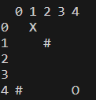
 |  |  |  |  |  |  | 0 |  |  |  |  |  |  |  |  | If I give ALL possible combinations then ALL the data will be there?
 |  |  |  |  |  |  | 1 |  |  |  |  |  |  |  |  | So
 |  |  |  |  |  |  | 2 |  |  |  |  |  |  |  |  | Given an optimal Traj
 |  |  |  |  |  |  | 3 |  |  |  |  |  |  |  |  | Can check if transfomer output is RIGHT
 |  |  |  |  |  |  | 4
 |  |  |  |  |  |  |  |  |  |  |  |  |  |  |  | small Reward = euclid distance to the otherside?
 |  |  |  |  |  |  |  | 0 | 1 | 2 | 3 | 4 |  |  |  | removes multiple trajectories?
 |  |  |  |  | (0,1) |  | 0
 |  |  |  |  |  |  | 1 |  |  |  |  |  |  |  | 20x19x18 |  |  |  |  | 0 | 1 | 2
 |  |  |  |  | (0,1,1,1,2,1,3,1,4,1) |  | 2 |  |  |  |  |  |  |  |  |  |  |  | 0
 |  |  |  |  |  |  | 3 |  |  |  |  |  |  |  | 20^ |  |  |  | 1 |  |  |  | 256
 |  |  |  |  |  |  | 4 |  |  |  |  |  |  |  | 2^20 |  |  |  | 2

 |  |  |  |  |  |  |  | 0 | 1 | 2 | 3 | 4 |  |  |  |  |  |  |  | (0, 2, 1, 1, 2, 0)
 |  |  |  |  |  |  | 0
 |  |  |  |  |  |  | 1
 |  |  |  |  |  |  | 2
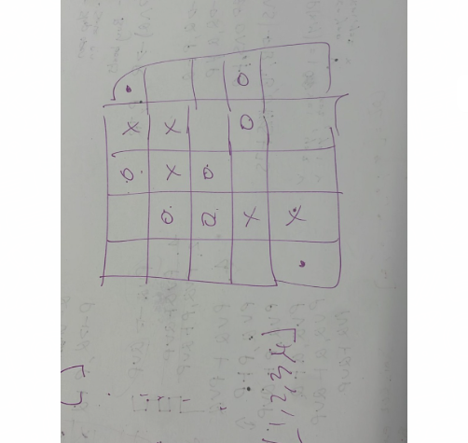
 |  |  |  |  |  |  | 3
 |  |  |  |  |  |  | 4
 |  | 34.1

 |  |  |  |  |  |  |  | ((0, 1)) | [(0, 0), (1, 1), (1, 2), (0, 3)]
 |  |  |  |  |  |  |  | 0 | 1 | 2 | 3
 |  |  |  |  |  |  | 0
 |  |  |  |  |  |  | 1
 |  |  |  |  |  |  | 2
 |  |  |  |  |  |  | 3

 |  |  |  |  |  |  |  | 0 | 1 | 2 | 3 | 4 | 5
 |  |  |  |  |  |  | 0
 |  |  |  |  |  |  | 1
 |  |  |  |  |  |  | 2
 |  |  |  |  | (0,1) |  | 3
 |  |  |  |  |  |  | 4
 |  |  |  |  |  |  | 5

 |  |  |  |  |  |  |  | 0 | 1 | 2 | 3
 |  |  |  |  |  |  | 0
 |  |  |  |  |  |  | 1
 |  |  |  |  |  |  | 2
 |  |  |  |  |  |  | 3

 |  |  |  |  |  |  |  | 0 | 1 | 2 | 3
 |  |  |  |  |  |  | 0 |  |  |  |  |  |  |  | 0 | 1 | 2 | 3
 |  |  |  |  |  |  | 1 |  |  |  |  |  |  | 0
But which Barrier to use as a true? Average All of them?
 |  |  |  |  |  |  | 2 |  |  |  |  |  |  | 1
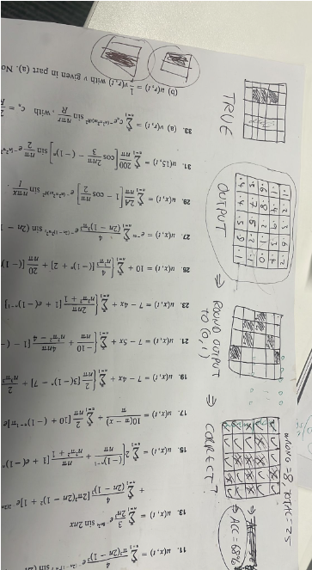
From a single Trajectory
 |  |  |  |  |  |  | 3 |  |  |  |  |  |  | 2
 |  |  |  |  |  |  |  |  |  |  |  |  |  | 3
 |  |  |  |  |  |  |  | 0 | 1 | 2
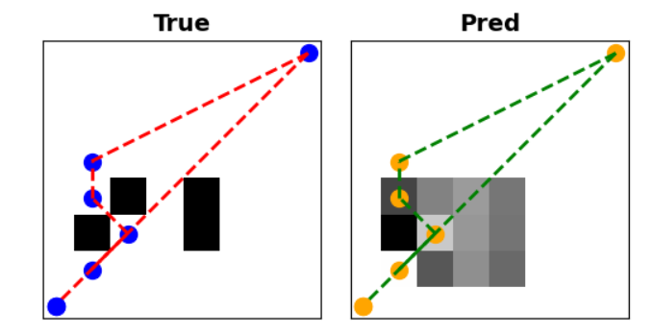
 |  |  |  |  |  |  | 0
 |  |  |  |  |  |  | 1
 |  |  |  |  |  |  | 2

 |  |  |  |  |  |  | 0 | 1 | 2 | 3
 |  |  |  |  |  | 0 | X
 |  |  |  |  |  | 1
 |  |  |  |  |  | 2
 |  |  |  |  |  | 3 |  |  |  | O |  |  |  |  | 3.1622776602

 |  |  |  |  |  |  | 0 | 1 | 2 | 3
 |  |  |  |  |  | 0 | X
 |  |  |  |  |  | 1
 |  |  |  |  |  | 2
 |  |  |  |  |  | 3 |  |  |  |  |  | )
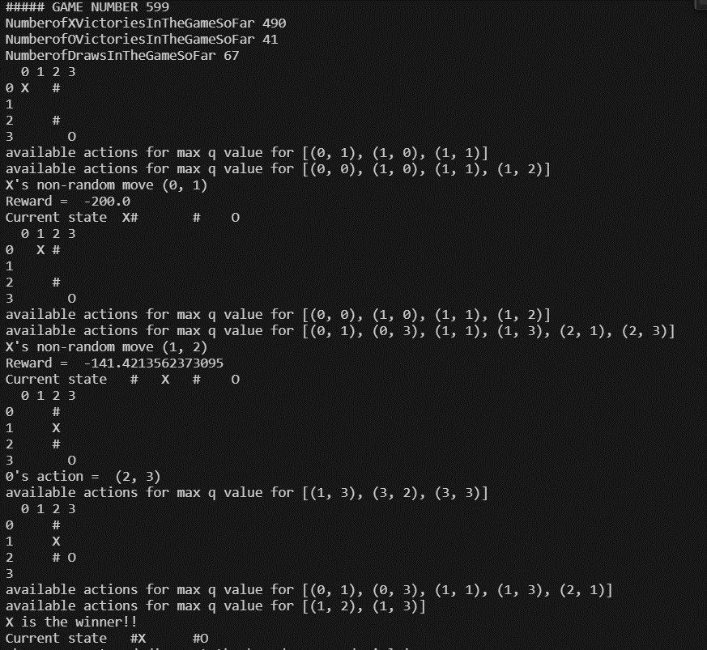

 |  |  | ((0, 1),) | [(0, 0), (1, 1), (0, 2), (0, 3)]
 |  |  | ((0, 2),) | [(0, 0), (0, 1), (1, 2), (0, 3)]
 |  |  | ((1, 0),) | [(0, 0), (0, 1), (0, 2), (0, 3)]
 |  |  | ((1, 1),) | [(0, 0), (0, 1), (0, 2), (0, 3)]
 |  |  | ((1, 2),) | [(0, 0), (0, 1), (0, 2), (0, 3)]
 |  |  | ((2, 0),) | [(0, 0), (0, 1), (0, 2), (0, 3)]
 |  |  | ((2, 1),) | [(0, 0), (0, 1), (0, 2), (0, 3)]
 |  |  | ((2, 2),) | [(0, 0), (0, 1), (0, 2), (0, 3)]
 |  |  | ((3, 0),) | [(0, 0), (0, 1), (1, 2), (0, 3)]
 |  |  | ((3, 1),) | [(0, 0), (1, 1), (0, 2), (0, 3)]
 |  |  | ((3, 2),) | [(0, 0), (0, 1), (0, 2), (0, 3)]

 |  |  |  |  |  |  |  | Max Ent
 |  |  |  |  |  |  |  | 0 | 1 | 2 | 3
 |  |  |  |  |  |  | 0 | G | X | X
 |  |  |  |  |  |  | 1 |  |  |  | X
 |  |  |  |  |  |  | 2 |  |  | X
 |  |  |  |  |  |  | 3 | S | X

 |  |  |  |  |  |  |  | 0 | 1 | 2 | 3
 |  |  |  |  |  |  | 0 | G
 |  |  |  |  |  |  | 1 |  |  |  | X
 |  |  |  |  |  |  | 2
 |  |  |  |  |  |  | 3 | S

 |  |  |  |  |  |  |  | 0 | 1 | 2 | 3
 |  |  |  |  |  |  | 0 | G
 |  |  |  |  |  |  | 1
 |  |  |  |  |  |  | 2 |  |  | X
 |  |  |  |  |  |  | 3 | S | X

 |  |  |  |  |  |  |  | 0 | 1 | 2 | 3
 |  |  |  |  |  |  | 0 | G
 |  |  |  |  |  |  | 1 |  |  |  | X
 |  |  |  |  |  |  | 2
 |  |  |  |  |  |  | 3 | S

 |  |  |  |  |  |  |  | 0 | 1 | 2 | 3
 |  |  |  |  |  |  | 0 | G
 |  |  |  |  |  |  | 1 |  |  |  | X
 |  |  |  |  |  |  | 2
 |  |  |  |  |  |  | 3 | S

 |  |  |  |  |  |  |  | 0 | 1 | 2 | 3
 |  |  |  |  |  |  | 0
 |  |  |  |  |  |  | 1
 |  |  |  |  |  |  | 2
 |  |  |  |  |  |  | 3

 |  |  |  |  |  |  |  | 0 | 1 | 2 | 3
 |  |  |  |  |  |  | 0
 |  |  |  |  |  |  | 1
 |  |  |  |  |  |  | 2
 |  |  |  |  |  |  | 3

 |  |  |  |  |  |  |  |  |  |  |  |  |  | O X # |  |  | 3 | 5
 |  |  |  |  |  |  |  | 0 | 1 | 2 | 3
 |  |  |  |  |  |  | 0
 |  |  |  |  |  |  | 1
 |  |  |  |  |  |  | 2
 |  |  |  |  |  |  | 3

 |  |  |  |  |  |  |  | First Part of the algorithm

 |  |  |  |  |  |  | P(C|T)

inc interesting example
Task 1

 | Goal |  |  |  |  |  |  |  |  |  |  |  |  |  |  |  |  |  |  |  |  | Goal |  | Goal

Start |  | Start |  |  |  |  |  |  |  |  |  |  |  |  |  |  |  |  |  |  |  |  | Start
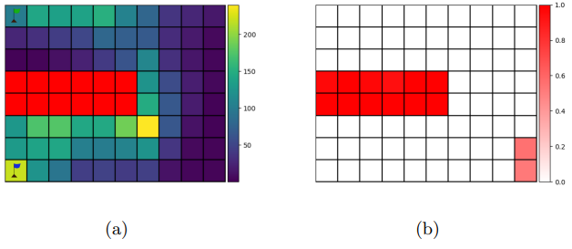
 |  |  |  |  |  |  |  |  |  |  |  |  |  |  |  |  |  |  |  |  |  |  |  |  |  | Goal
 | Goal |  |  |  |  |  |  |  |  |  |  |  |  |  |  |  |  |  |  |  |  |  |  | Goal

 |  |  |  |  |  |  |  |  |  |  |  |  |  |  |  |  |  |  |  |  |  |  |  |  | Start
 |  |  |  |  |  |  |  |  |  |  |  |  |  |  |  |  |  |  |  |  |  |  | Start
 |  |  |  |  |  | 0.1 | 0.1 | 0.1 | 0.1 | 0.1 | 0.1
Task 2 |  |  |  |  |  | 0.1 | 0.1 | 0.1 | 0.1 | 0.1 |  | 0.1 |  |  |  |  |  |  |  |  |  |  |  | Goal
 |  |  |  |  |  | 0.1 | 0.1 | 0.1 | 0.1 | 0.1 | 0.1 | 0.1
 | Goal |  |  |  |  | 0.1 | 0.1 | 0.1 | 0.1 | 0.1 | 0.1 | 0.1
 |  |  |  |  |  | 0.1 | 0.1 | 0.1 | 0.1 | 0.1 | 0.1 | 0.1
 |  |  |  |  |  |  |  | 0.1 | 0.1 | 0.1 | 0.1 | 0.1
 |  |  |  |  |  |  | 0.1 | 0.1 | 0.1 | 0.1 | 0.1 | 0.1


 |  |  |  |  |  |  |  |  |  |  |  |  |  |  |  |  |  |  |  |  |  |  | Start

Start

Task 3

 | Goal

 |  |  |  |  |  |  |  |  |  |  |  |  |  |  |  |  |  |  |  |  | unnoccupied during optimal play

Start

 |  |  |  |  | Reward 0

 |  |  |  |  | auto solver??

 |  |  |  |  |  | Start

 |  |  |  |  |  | After 1 move play out

 |  |  |  |  |  | 0 | 0 | 0 | 0.99 | 0 | 0
 |  |  |  |  |  | 0 | 0 | 0 | 0.99 | 0 |  | 0
 |  |  |  |  |  | 0 | 0 | 0 | 0.99 | 0 | 0 | 0
 |  |  |  |  |  | 0 | 0 | 0 | 0 | 0 | 0 | 0
 |  |  |  |  |  | 0 | 0 | 0 | 0.99 | 0 | 0 | 0
 |  |  |  |  |  |  |  | 0 | 0.99 | 0 | 0 | 0
 |  |  |  |  |  |  | 0 | 0 | 0.99 | 0 | 0 | 0

 |  |  |  |  |  | 0.1 | 0.1 | 0.1 | 0.1 | 0.1 | 0.1
 |  |  |  |  |  | 0.1 | 0.1 | 0.1 | 0.1 | 0.1 |  | 0.1 |  | 0.1 | 0.1 | 0.1 | 0.1 | 0.1 | 0.1
 |  |  |  |  |  | 0.1 | 0.1 | 0.1 | 0.1 | 0.1 | 0.1 | 0.1 |  | 0.1 | 0.1 | 0.1 | 0.1 | 0.1 |  | 0.1
 |  |  |  |  |  | 0.05 | 0.1 | 0.1 | 0.1 | 0.1 | 0.1 | 0.1 |  | 0.1 | 0.1 | 0.1 | 0.1 | 0.1 | 0.1 | 0.1
 |  |  |  |  |  | 0.1 | 0.1 | 0.1 | 0.1 | 0.1 | 0.1 | 0.1 |  | 0.05 | 0.05 | 0.05 | 0.05 | 0.05 | 0.05 | 0.05
 |  |  |  |  |  |  |  | 0.1 | 0.1 | 0.1 | 0.1 | 0.1 |  | 0.1 | 0.1 | 0.1 | 0.1 | 0.1 | 0.1 | 0.1
 |  |  |  |  |  |  | 0.1 | 0.1 | 0.1 | 0.1 | 0.1 | 0.1 |  |  |  | 0.1 | 0.1 | 0.1 | 0.1 | 0.1
 |  |  |  |  |  |  |  |  |  |  |  |  |  |  | 0.1 | 0.1 | 0.1 | 0.1 | 0.1 | 0.1

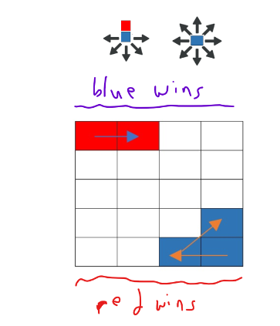

 |  |  |  |  |  | T1 | 3,1 | 2,2 | … | LENGTH, L = 1,2,3,4,5,6
 |  |  |  |  |  | T2 | 1,4 | 2,3 | …

 |  |  |  |  |  | 4
 |  |  |  |  |  | 3
 |  |  |  |  |  | 2
 |  |  |  |  |  | 1
 |  |  |  |  |  | 0
 |  |  |  |  |  |  | 0 | 1 | 2 | 3

 |  |  |  |  |  | 1 player
 |  |  |  |  |  | 2 player

 |  |  |  |  | Next Steps
 |  |  |  |  | 0 | Lit Review - search for open code
 |  |  |  |  |  | If can't find it MAYBE write it from scratch
 |  |  |  |  | 1 | Constraint Formulation (Maths) - copy from the Max Likelihood paper(!?)
 |  |  |  |  | 2 | TQ to create on the 1 player database of (Barriers, Constraints)
 |  |  |  |  |  | Later for the Scientist algorithm …
 |  |  |  |  | 3 | Distance Metric
 |  |  |  |  | 4 | Where to try to build the wall next
 |  |  |  |  |  | (0 code could help here)

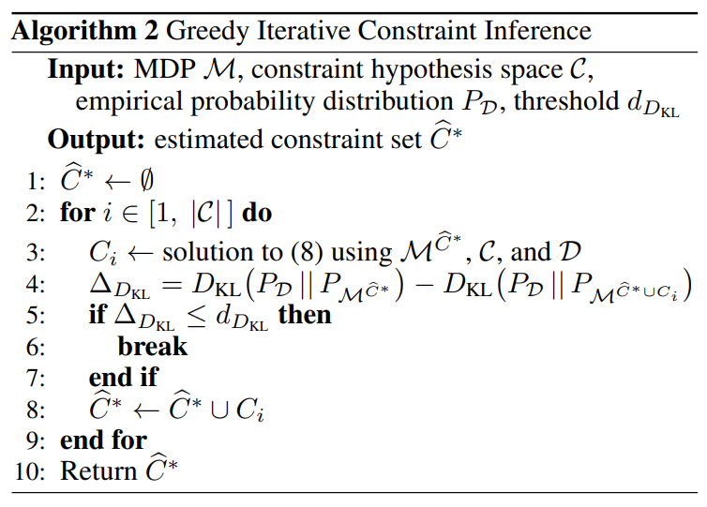
 |  |  | Similar
 |  |  | Add C
 |  |  | Find optimal T
 |  |  | Compare to given Traj
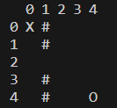
 |  |  | Not same
 |  |  | 1 player
 |  |  | NOT optimal Traj
 |  |  | collection of "good" trajs

 |  |  |  | c0 |  | c1

 |  |  |  |  |  |  |  |  |  |  |  |  | MUTLIPLE TRAJS!!
 |  |  |  |  |  |  |  |  |  |  |  |  | Can just consider a game with a single unique optimal trajectory
 |  |  |  |  |  |  |  |  |  |  |  |  | Generate ONE trajectory from a constraint try, even though there maybe several (which might help … more data)
 |  |  |  |  |  |  |  |  |  |  |  |  | Work on that
 |  |  |  |  |  |  |  |  |  |  |  |  | When you know you still know …

 |  |  |  |  |  |  |  |  |  |  |  |  | Chess engines generate multiple lines to win - mate in 8 via these lines ….

 |  |  |  |  |  |  |  |  |  |  |  |  | Turn to chess!?
 |  |  |  |  |  |  |  |  |  |  |  |  | Do I know anyone that works with chess engines!?!?!
 |  |  |  |  |  |  |  |  |  |  |  |  | Chess with kings a blockades
 |  |  |  |  |  |  |  |  |  |  |  |  | And to the otherside not checkmate … ?
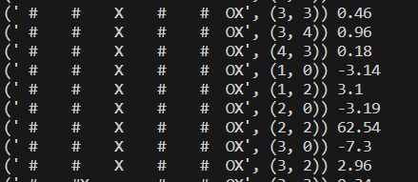
 |  |  |  |  |  | From 2,2

Planning!
Possible Paths
Infering constraints from
1) Snapshots of positions from a one player game

 |  |  | I think

3) Full Trajectories from a 2 player game |  | RL here is like MCTS no - what happens if I play this move
 |  | And get those results
Problem | Solution
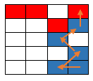
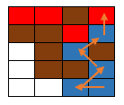

2) Partial Trajectories from a 1.5 player game
Where P2 has a set non-changing policy
Problem | Can then Solve with the bellman equations!!!

(4 Hardest and original) Partial Trajectories from a two player game

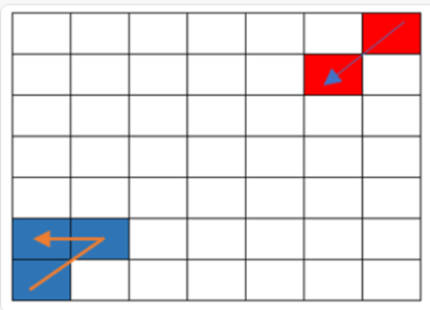
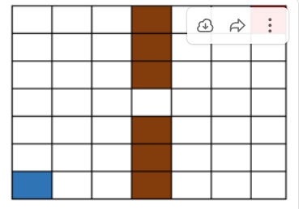

note: Partial Trajectories from a one player game would not be interesting,
I think there would be just a lot of uncertainty

5) Find GAMES that lead to TURING patterns and show the rules of the CELLS can be discovered from the patterns!

Can trial and error with connect 4 type game if I can get it running …

